Manual
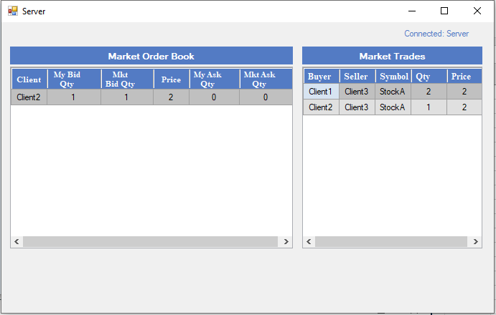
1 | Execute the exe for Server:

 | Server has 2 modes: (Should run only one)

a. | Server user interface (Run the Server UI.exe)

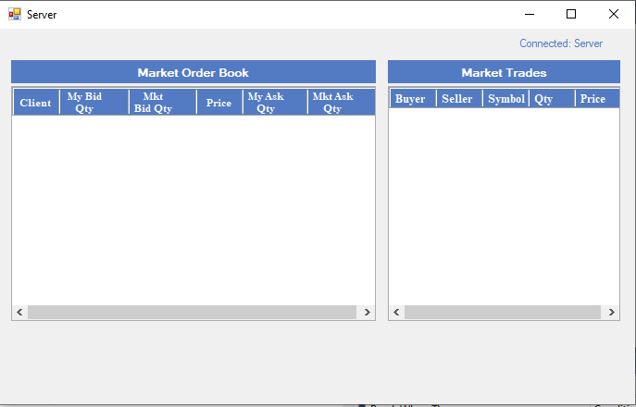

b. | Console app
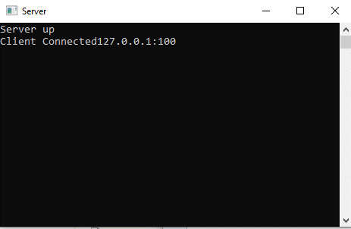

2 | Execute the exe for Client:

3 | Click on Create New Client
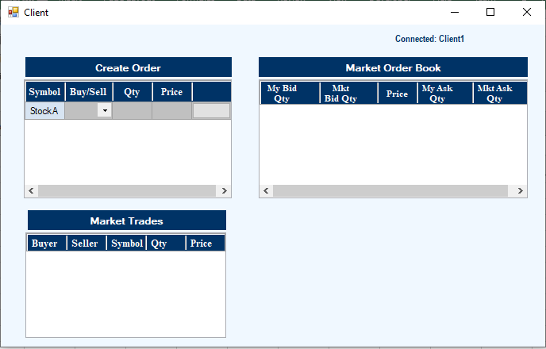

4 | Place a Buy Order for Client 1

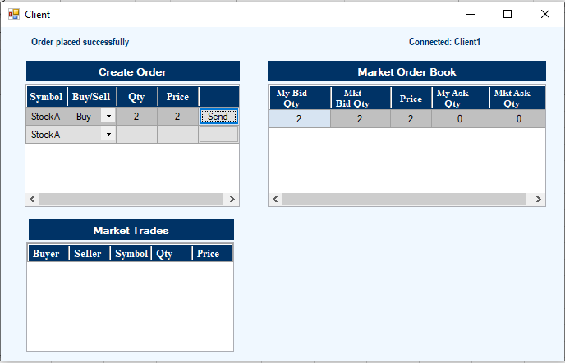

5 | Click on Create New Client and place a Buy Order for Client2



6 | Check the Market Order Book on Server

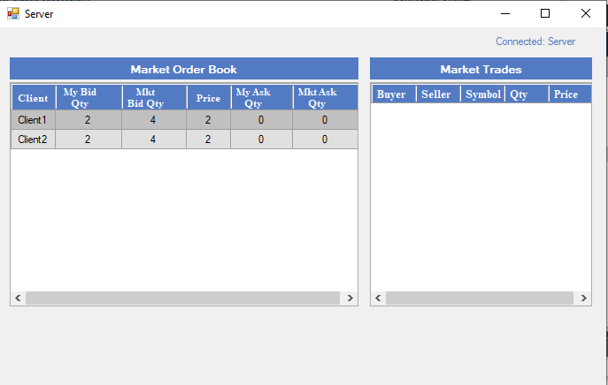

7 | Place a Sell Order for Client 3
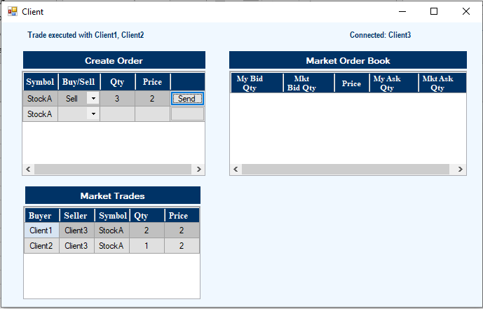

8 | Check Market Order Book for Client 1 and Client2
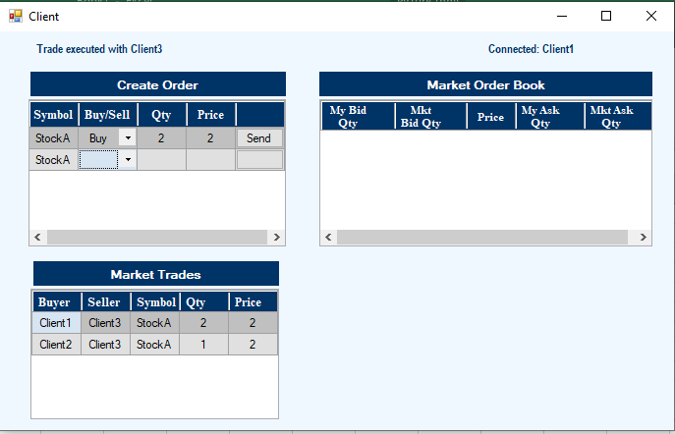

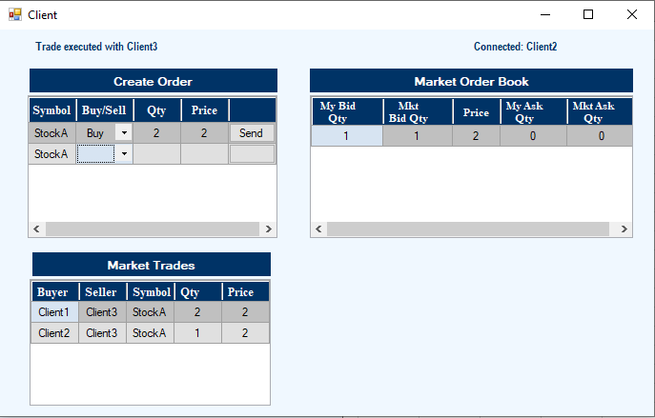

9 | Check the Market Order Book on Server

